TABLE3
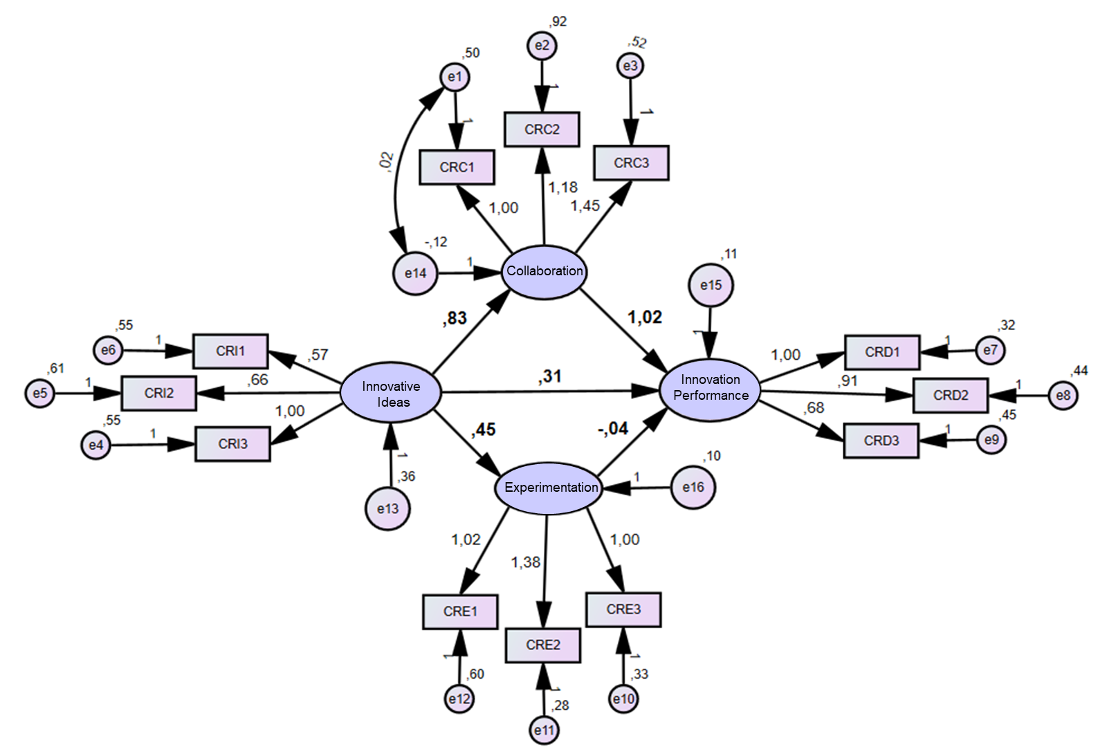
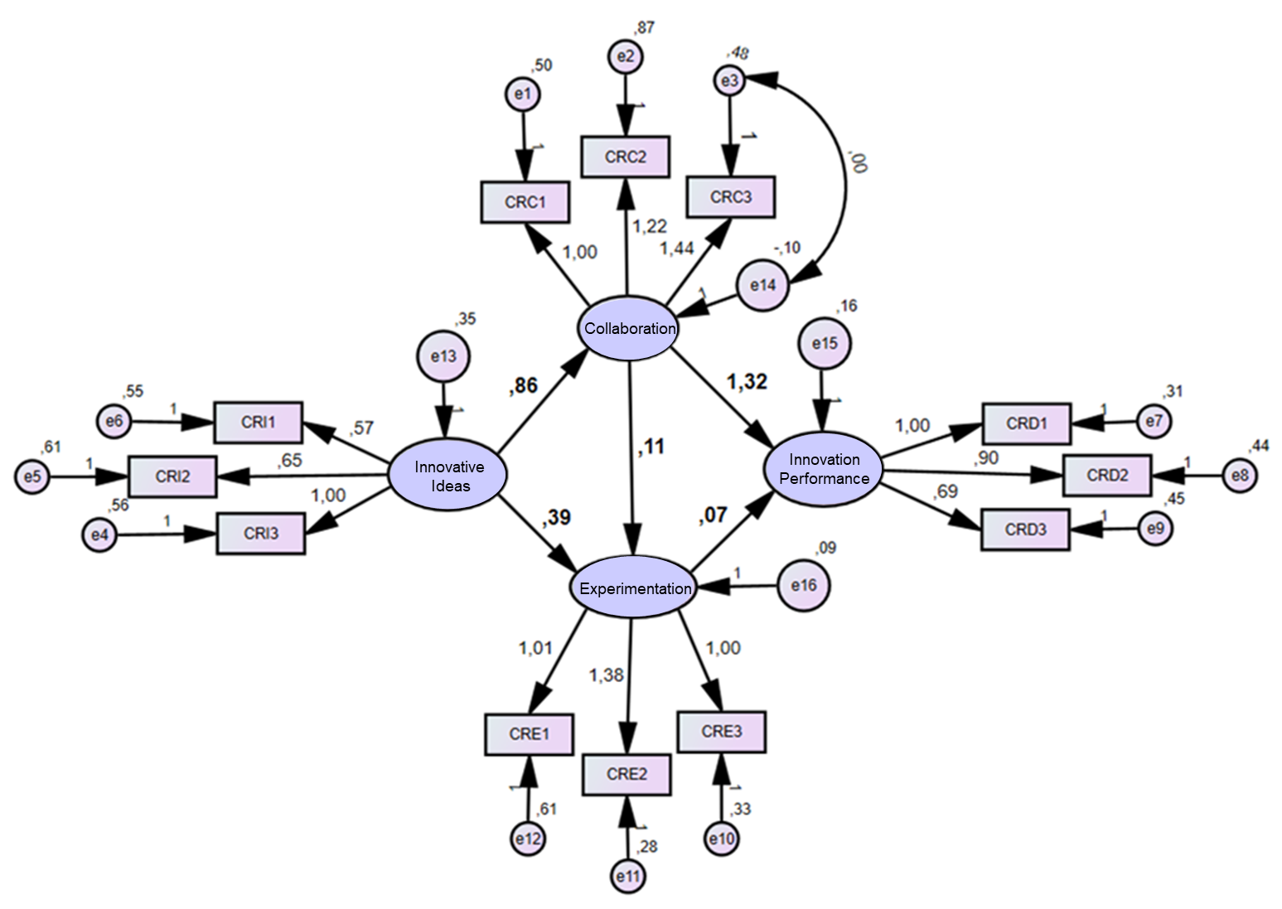
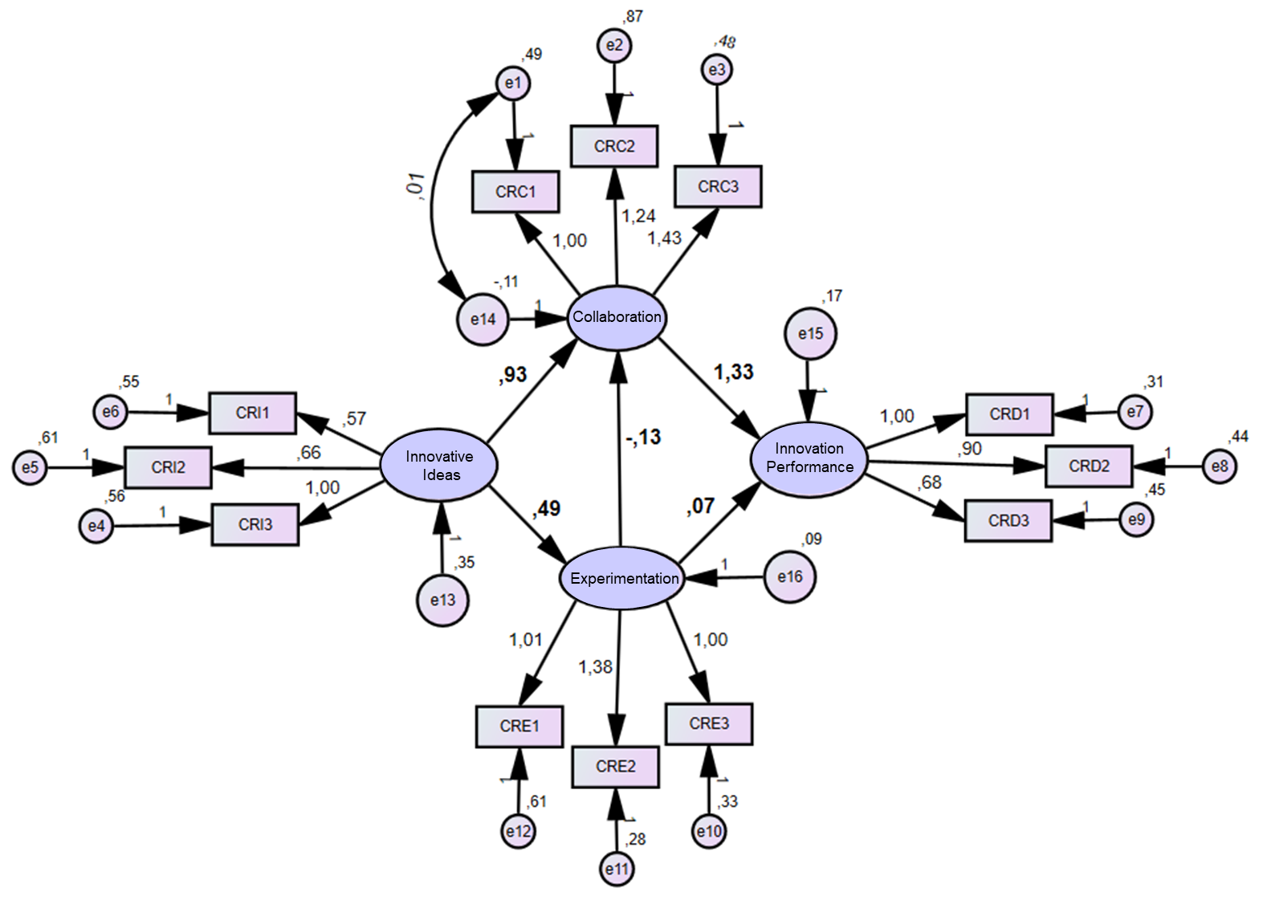

Model Fit Innovation Ideas |  |  | Estimate | Std. Est | S.E. | C.R. | pvalue |  |  |  | Model Fit Experimentation |  |  | Estimate | Std. Est | S.E. | C.R. | pvalue |  |  |  |  | Model Fit Collaboration |  |  | Estimate | Std. Est | S.E. | C.R. | pvalue
Colaboração | <--- | Ideia_Inovadora | .832 | 1,392 | .187 | 4,451 | *** |  |  |  | Experimentação | <--- | Ideia_Inovadora | .486 | .690 | .156 | .3107 | .002 |  |  |  |  | Colaboração | <--- | Ideia_Inovadora | .861 | 1,293 | .222 | 3,884 | ***
Experimentação | <--- | Ideia_Inovadora | .453 | .655 | .114 | 3,978 | *** |  |  |  | Colaboração | <--- | Ideia_Inovadora | .926 | 1,409 | .371 | 2,496 | .013 |  |  |  |  | Experimentação | <--- | Ideia_Inovadora | .386 | .550 | .175 | 2,211 | .027
Desempenho_Inovador | <--- | Colaboração | 1,022 | 1,000 | .380 | 2,693 | .007 |  |  |  | Colaboração | <--- | Experimentação | - .135 | - .144 | .390 | - .345 | .730 |  |  |  |  | Experimentação | <--- | Colaboração | .113 | .108 | .270 | .421 | .674
Desempenho_Inovador | <--- | Experimentação | - .043 | - .026 | .338 | - .126 | .900 |  |  |  | Desempenho_Inovador | <--- | Colaboração | 1,328 | 1,000 | .394 | 3,373 | *** |  |  |  |  | Desempenho_Inovador | <--- | Colaboração | 1,321 | .771 | .392 | 3,373 | ***
Desempenho_Inovador | <--- | Ideia_Inovadora | .314 | .279 | .256 | 1,225 | .221 |  |  |  | Desempenho_Inovador | <--- | Experimentação | .071 | .044 | .360 | .918 | .843 |  |  |  |  | Desempenho_Inovador | <--- | Experimentação | .070 | .043 | .358 | .196 | .844
Chi-square = 73.088 (48) p = .011 |  |  |  |  |  |  |  |  |  |  | Chi-square = 74.122 (48) p = .009 |  |  |  |  |  |  |  |  |  |  |  | Chi-square = 74.173 (48) p = .009
RMSEA |  | .071 |  |  |  |  |  |  |  |  | RMSEA |  | .072 |  |  |  |  |  |  |  |  |  | RMSEA |  | .072
NFI |  | .805 |  |  |  |  |  |  |  |  | NFI |  | .802 |  |  |  |  |  |  |  |  |  | NFI |  | .802
TLI |  | .888 |  |  |  |  |  |  |  |  | TLI |  | .884 |  |  |  |  |  |  |  |  |  | TLI |  | .884
RMR |  | .053 |  |  |  |  |  |  |  |  | RMR |  | .053 |  |  |  |  |  |  |  |  |  | RMR |  | .053
CFI |  | .919 |  |  |  |  |  |  |  |  | CFI |  | .915 |  |  |  |  |  |  |  |  |  | CFI |  | .915

 |  |  |  |  |  |  |  |  |  |  | The results of the model-fit.
 |  |  |  |  |  |  |  |  |  |  | Models | df | χ 2 | χ2/df | NFI | IFI | CFI | RMR | PNFI | PGFI | RMSEA | pvalue
 |  |  |  |  |  |  |  |  |  |  | Innovation Ideas | 48 | 73,088 | 1,523 | .805 | .923 | .919 | .053 | .586 | .550 | .071 | .011
 |  |  |  |  |  |  |  |  |  |  | Experimentation | 48 | 74,122 | 1,544 | .802 | .920 | .915 | .053 | .584 | .550 | .072 | .009
 |  |  |  |  |  |  |  |  |  |  | Collaboration | 48 | 74,173 | 1,545 | .802 | .920 | .915 | .053 | .583 | .550 | .072 | .009

Structural estimates of the structural model
Summary of Models |  |  | Innovation Ideas |  |  | Experimentation |  |  | Collaboration
 |  |  | Est | Std. Est | pvalue | Est | Std. Est | pvalue | Est | Std. Est | pvalue
Collaboration | <--- | Innovative Idea | .832 | 1,392 | *** | .926 | 1,409 | .013 | .861 | 1,293 | ***
Experimentation | <--- | Innovative Idea | .453 | .655 | *** | .486 | .690 | .002 | .386 | .550 | .027
Innovation Performance | <--- | Collaboration | 1,022 | 1,000 | .007 | 1,328 | 1,000 | *** | 1,321 | .771 | ***
Innovation Performance | <--- | Experimentation | - .043 | - .026 | .900 | .071 | .044 | .843 | .070 | .043 | .844
Innovation Performance | <--- | Innovative Idea | .314 | .279 | .221
Collaboration | <--- | Experimentation |  |  |  | - .135 | - .144 | .730
Experimentation | <--- | Collaboration |  |  |  |  |  |  | .113 | .108 | .674
*** p < .001.

FIGURE1



Model Experimentation
Model Collaboration
Model Innovation Ideas

